Daily Power Station Chart_14-01
Plant_24/07/2025Chart

Plant:odco1 |  |  | Installed Capacity:111.180kWp
Today Yield(kWh):544.100kWh |  | Today Earning:217640.000TND |  | Today Full Load Hours(h):4.89h

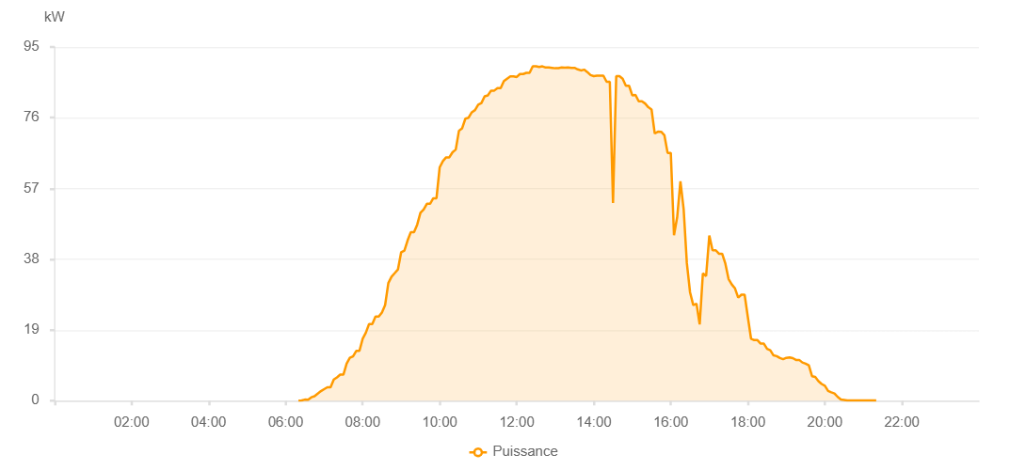

Number | Time | Working State | PV(W) | Instantaneous Radiation(W/㎡)
1 | 06:20:00 | Online | 20.00000 | 0
2 | 06:25:00 | Online | 60.00000 | 0
3 | 06:30:00 | Online | 290.00000 | 2.00000
4 | 06:35:00 | Online | 250.00000 | 3.00000
5 | 06:40:00 | Online | 910.00000 | 7.00000
6 | 06:45:00 | Online | 1190.00000 | 11.00000
7 | 06:50:00 | Online | 1890.00000 | 17.00000
8 | 06:55:00 | Online | 2560.00000 | 24.00000
9 | 07:00:00 | Online | 3100.00000 | 31.00000
10 | 07:05:00 | Online | 3610.00000 | 39.00000
11 | 07:10:00 | Online | 3610.00000 | 49.00000
12 | 07:15:00 | Online | 5680.00000 | 61.00000
13 | 07:20:00 | Online | 6260.00000 | 73.00000
14 | 07:25:00 | Online | 6990.00000 | 87.00000
15 | 07:30:00 | Online | 6990.00000 | 101.00000
16 | 07:35:00 | Online | 9940.00000 | 118.00000
17 | 07:40:00 | Online | 11500.00000 | 134.00000
18 | 07:45:00 | Online | 11920.00000 | 152.00000
19 | 07:50:00 | Online | 13370.00000 | 168.00000
20 | 07:55:00 | Online | 13370.00000 | 189.00000
21 | 08:00:00 | Online | 16630.00000 | 208.00000
22 | 08:05:00 | Online | 18270.00000 | 227.00000
23 | 08:10:00 | Online | 20600.00000 | 246.00000
24 | 08:15:00 | Online | 20600.00000 | 266.00000
25 | 08:20:00 | Online | 22570.00000 | 285.00000
26 | 08:25:00 | Online | 22570.00000 | 306.00000
27 | 08:30:00 | Online | 23700.00000 | 329.00000
28 | 08:35:00 | Online | 25680.00000 | 349.00000
29 | 08:40:00 | Online | 31600.00000 | 368.00000
30 | 08:45:00 | Online | 33310.00000 | 388.00000
31 | 08:50:00 | Online | 34280.00000 | 408.00000
32 | 08:55:00 | Online | 35270.00000 | 431.00000
33 | 09:00:00 | Online | 39890.00000 | 448.00000
34 | 09:05:00 | Online | 40330.00000 | 469.00000
35 | 09:10:00 | Online | 43030.00000 | 491.00000
36 | 09:15:00 | Online | 45240.00000 | 508.00000
37 | 09:20:00 | Online | 45240.00000 | 526.00000
38 | 09:25:00 | Online | 47300.00000 | 547.00000
39 | 09:30:00 | Online | 50450.00000 | 567.00000
40 | 09:35:00 | Online | 51340.00000 | 586.00000
41 | 09:40:00 | Online | 52880.00000 | 603.00000
42 | 09:45:00 | Online | 52880.00000 | 619.00000
43 | 09:50:00 | Online | 54370.00000 | 635.00000
44 | 09:55:00 | Online | 54370.00000 | 653.00000
45 | 10:00:00 | Online | 62690.00000 | 669.00000
46 | 10:05:00 | Online | 64360.00000 | 686.00000
47 | 10:10:00 | Online | 65350.00000 | 699.00000
48 | 10:15:00 | Online | 65350.00000 | 713.00000
49 | 10:20:00 | Online | 66720.00000 | 730.00000
50 | 10:25:00 | Online | 67440.00000 | 746.00000
51 | 10:30:00 | Online | 72500.00000 | 759.00000
52 | 10:35:00 | Online | 73180.00000 | 771.00000
53 | 10:40:00 | Online | 75750.00000 | 788.00000
54 | 10:45:00 | Online | 76010.00000 | 802.00000
55 | 10:50:00 | Online | 77470.00000 | 813.00000
56 | 10:55:00 | Online | 78050.00000 | 825.00000
57 | 11:00:00 | Online | 79500.00000 | 838.00000
58 | 11:05:00 | Online | 79940.00000 | 847.00000
59 | 11:10:00 | Online | 81740.00000 | 861.00000
60 | 11:15:00 | Online | 82000.00000 | 867.00000
61 | 11:20:00 | Online | 83290.00000 | 878.00000
62 | 11:25:00 | Online | 83290.00000 | 886.00000
63 | 11:30:00 | Online | 83950.00000 | 895.00000
64 | 11:35:00 | Online | 83950.00000 | 901.00000
65 | 11:40:00 | Online | 85840.00000 | 909.00000
66 | 11:45:00 | Online | 86490.00000 | 916.00000
67 | 11:50:00 | Online | 87100.00000 | 925.00000
68 | 11:55:00 | Online | 87130.00000 | 929.00000
69 | 12:00:00 | Online | 86930.00000 | 933.00000
70 | 12:05:00 | Online | 87740.00000 | 939.00000
71 | 12:10:00 | Online | 87740.00000 | 942.00000
72 | 12:15:00 | Online | 88050.00000 | 947.00000
73 | 12:20:00 | Online | 88050.00000 | 950.00000
74 | 12:25:00 | Online | 89830.00000 | 955.00000
75 | 12:30:00 | Online | 89830.00000 | 957.00000
76 | 12:35:00 | Online | 89640.00000 | 958.00000
77 | 12:40:00 | Online | 89810.00000 | 959.00000
78 | 12:45:00 | Online | 89480.00000 | 958.00000
79 | 12:50:00 | Online | 89520.00000 | 959.00000
80 | 12:55:00 | Online | 89410.00000 | 957.00000
81 | 13:00:00 | Online | 89290.00000 | 958.00000
82 | 13:05:00 | Online | 89340.00000 | 956.00000
83 | 13:10:00 | Online | 89530.00000 | 951.00000
84 | 13:15:00 | Online | 89460.00000 | 955.00000
85 | 13:20:00 | Online | 89520.00000 | 955.00000
86 | 13:25:00 | Online | 89400.00000 | 953.00000
87 | 13:30:00 | Online | 89400.00000 | 946.00000
88 | 13:35:00 | Online | 89000.00000 | 943.00000
89 | 13:40:00 | Online | 88710.00000 | 938.00000
90 | 13:45:00 | Online | 88910.00000 | 935.00000
91 | 13:50:00 | Online | 88260.00000 | 931.00000
92 | 13:55:00 | Online | 87450.00000 | 931.00000
93 | 14:00:00 | Online | 87180.00000 | 918.00000
94 | 14:05:00 | Online | 87310.00000 | 919.00000
95 | 14:10:00 | Online | 87300.00000 | 917.00000
96 | 14:15:00 | Online | 87300.00000 | 914.00000
97 | 14:20:00 | Online | 85650.00000 | 896.00000
98 | 14:25:00 | Online | 85650.00000 | 889.00000
99 | 14:30:00 | Online | 53120.00000 | 910.00000
100 | 14:35:00 | Online | 87150.00000 | 196.00000
101 | 14:40:00 | Online | 87150.00000 | 913.00000
102 | 14:45:00 | Online | 86490.00000 | 911.00000
103 | 14:50:00 | Online | 84580.00000 | 908.00000
104 | 14:55:00 | Online | 84580.00000 | 869.00000
105 | 15:00:00 | Online | 82020.00000 | 876.00000
106 | 15:05:00 | Online | 82120.00000 | 856.00000
107 | 15:10:00 | Online | 80420.00000 | 818.00000
108 | 15:15:00 | Online | 80420.00000 | 807.00000
109 | 15:20:00 | Online | 79820.00000 | 816.00000
110 | 15:25:00 | Online | 78820.00000 | 805.00000
111 | 15:30:00 | Online | 78210.00000 | 769.00000
112 | 15:35:00 | Online | 71760.00000 | 757.00000
113 | 15:40:00 | Online | 72260.00000 | 731.00000
114 | 15:45:00 | Online | 72230.00000 | 732.00000
115 | 15:50:00 | Online | 71310.00000 | 714.00000
116 | 15:55:00 | Online | 66560.00000 | 696.00000
117 | 16:00:00 | Online | 66560.00000 | 580.00000
118 | 16:05:00 | Online | 44450.00000 | 608.00000
119 | 16:10:00 | Online | 49360.00000 | 488.00000
120 | 16:15:00 | Online | 58930.00000 | 386.00000
121 | 16:20:00 | Online | 51500.00000 | 594.00000
122 | 16:25:00 | Online | 36950.00000 | 174.00000
123 | 16:30:00 | Online | 29100.00000 | 293.00000
124 | 16:35:00 | Online | 25650.00000 | 315.00000
125 | 16:40:00 | Online | 26070.00000 | 228.00000
126 | 16:45:00 | Online | 20470.00000 | 217.00000
127 | 16:50:00 | Online | 34220.00000 | 229.00000
128 | 16:55:00 | Online | 33460.00000 | 462.00000
129 | 17:00:00 | Online | 44350.00000 | 440.00000
130 | 17:05:00 | Online | 40400.00000 | 435.00000
131 | 17:10:00 | Online | 40400.00000 | 399.00000
132 | 17:15:00 | Online | 39470.00000 | 386.00000
133 | 17:20:00 | Online | 39470.00000 | 377.00000
134 | 17:25:00 | Online | 36820.00000 | 347.00000
135 | 17:30:00 | Online | 32670.00000 | 327.00000
136 | 17:35:00 | Online | 31220.00000 | 312.00000
137 | 17:40:00 | Online | 30150.00000 | 288.00000
138 | 17:45:00 | Online | 27660.00000 | 130.00000
139 | 17:50:00 | Online | 28460.00000 | 238.00000
140 | 17:55:00 | Online | 28460.00000 | 185.00000
141 | 18:00:00 | Online | 22460.00000 | 251.00000
142 | 18:05:00 | Online | 16650.00000 | 238.00000
143 | 18:10:00 | Online | 16270.00000 | 145.00000
144 | 18:15:00 | Online | 16270.00000 | 141.00000
145 | 18:20:00 | Online | 15310.00000 | 155.00000
146 | 18:25:00 | Online | 15310.00000 | 132.00000
147 | 18:30:00 | Online | 13930.00000 | 123.00000
148 | 18:35:00 | Online | 13540.00000 | 112.00000
149 | 18:40:00 | Online | 12170.00000 | 105.00000
150 | 18:45:00 | Online | 11960.00000 | 94.00000
151 | 18:50:00 | Online | 11460.00000 | 86.00000
152 | 18:55:00 | Online | 11150.00000 | 85.00000
153 | 19:00:00 | Online | 11500.00000 | 86.00000
154 | 19:05:00 | Online | 11630.00000 | 94.00000
155 | 19:10:00 | Online | 11430.00000 | 94.00000
156 | 19:15:00 | Online | 10950.00000 | 91.00000
157 | 19:20:00 | Online | 10950.00000 | 83.00000
158 | 19:25:00 | Online | 10250.00000 | 79.00000
159 | 19:30:00 | Online | 9930.00000 | 75.00000
160 | 19:35:00 | Online | 9480.00000 | 66.00000
161 | 19:40:00 | Online | 6570.00000 | 60.00000
162 | 19:45:00 | Online | 6370.00000 | 56.00000
163 | 19:50:00 | Online | 5250.00000 | 53.00000
164 | 19:55:00 | Online | 4480.00000 | 47.00000
165 | 20:00:00 | Online | 4010.00000 | 41.00000
166 | 20:05:00 | Online | 2620.00000 | 33.00000
167 | 20:10:00 | Online | 2240.00000 | 26.00000
168 | 20:15:00 | Online | 1940.00000 | 20.00000
169 | 20:20:00 | Online | 1010.00000 | 13.00000
170 | 20:25:00 | Online | 320.00000 | 9.00000
171 | 20:30:00 | Online | 200.00000 | 5.00000
172 | 20:35:00 | Online | 70.00000 | 4.00000
173 | 20:40:00 | Online | 70.00000 | 2.00000
174 | 20:45:00 | Online | 40.00000 | 0
175 | 20:50:00 | Online | 40.00000 | 1.00000
176 | 20:55:00 | Online | 40.00000 | 0
177 | 21:00:00 | Online | 40.00000 | 0
178 | 21:05:00 | Online | 40.00000 | 0
179 | 21:10:00 | Online | 40.00000 | 0
180 | 21:15:00 | Online | 40.00000 | 0
181 | 21:20:00 | Online | 40.00000 | 0
182 | 21:40:00 | Online | 0.00001 | 0.00001

